Instruction on Dup. Invoice
Instructions on Duplicating Sample Invoice:

Step 1: | Left click on the arrow on the top left hand side of the sample excel sheet. Then right click and select copy.
 | note: the sheet will then all be highlighted
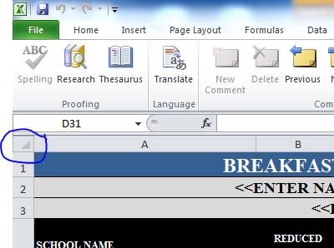

Step 2: | Go to a empty spreadsheet and right click in row 1 column A. Select the paste option and you will creat a new template.

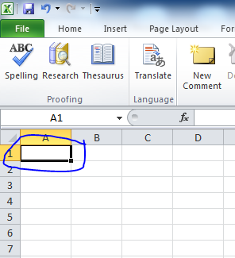

Step 3 | You will have a new sheet to enter your new BAB data.

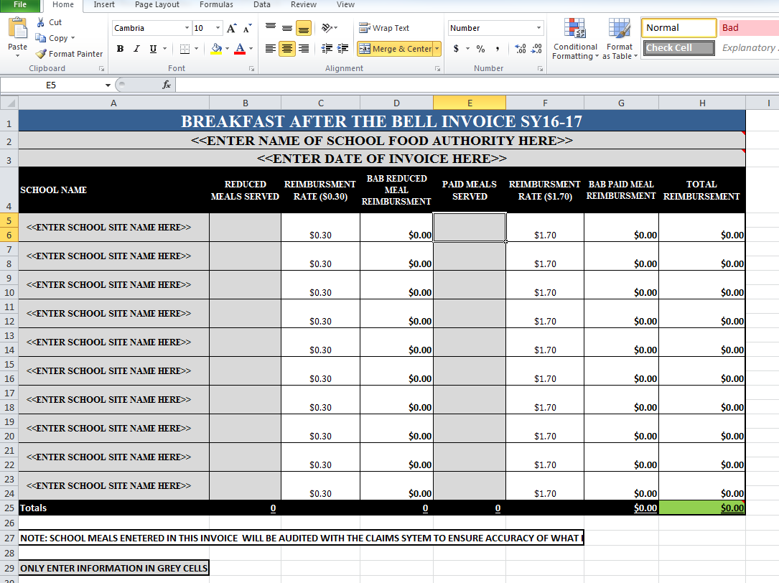

 | This is a simple process but some SFA's may not know how to accomplish this task
 | If you have questions on BAB contact Liz Schweiger at liz.shweiger@state.nm.us or (505) 827-3705

