Instructions
Instructions for Implementation Grant Applicants:

1. Each awarded school will be entitled to receive $150,000.00 per year (subject to availability of funds). The sum of the "Total Direct Charges" on the "CS System Budget Detail" tab and the "CS Building Budget Detail" tab should add up to $150,000.00 (TOTAL DIRECT CHARGES from System and Budget Detail worksheets).
a. The "CS System Budget Detail" refers to the Community School System Elements from the Community Schools Progress Report Toolkit (pages 4-9).
b. The "CS Building Budget Detail" refers to the Community School System Elements from the Community Schools Progress Report Toolkit (pages 10-13).
c. The "CS System Budget Detail"worksheet and the "CS Building Budget Detail"worksheet are separate from each other. The only cell that is linked to both worksheets is the "TOTAL DIRECT CHARGES from System and Budget Detail worksheets" (G69) to help you account for the total grant award.
d. The "TOTAL DIRECT CHARGES from the System and Budget Detail worksheets" (cell G69) should be $150,000.00 or less.

2. Update the "Year 1 Request" (row 6) according to the application grant year.

3. Consult page 27 of the Implementation Grant Application for allowable expenses for Community Schools, which follows the standard coding for the chart of accounts as per PSAB Supplement 3.
4. Align the associated function code with the related activity for which the service or material object is acquired. Reference: https://webnew.ped.state.nm.us/wp-content/uploads/2017/12/SBFAB_Manual-of-Procedures-PSAB_PSAB3-UCOA.pdf
5. Use the SY2020–21 Community School Implementation Plan Summary (page 26 of the Implementation Grant Application) to align the student and community school needs to the Budget Narrative located on the "CS System Budget Detail" and the "CS Building Budget Detail" tabs.
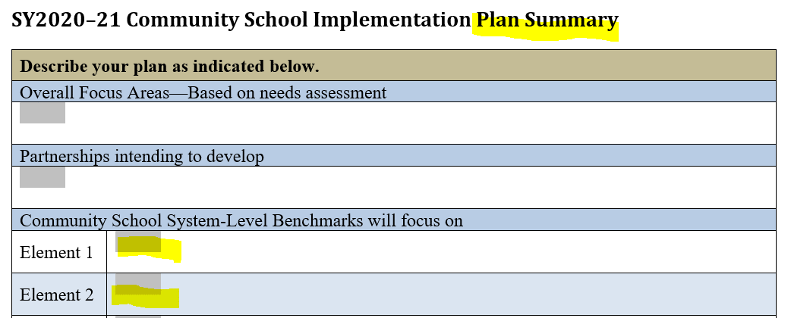

6. Ensure that each budget line item is aligned to the element and benchmark that it relates to from the Community Schools Progress Report Toolkit. Reference: https://webnew.ped.state.nm.us/wp-content/uploads/2019/12/Community-Schools-Progress-Report-Template-1.8.18-FINAL-with-cover-1.pdf

7. Ensure there is a "Justification" for each budget line item.
8. Add additional rows if needed. When adding a row, please add the "subtotal" cell from the row that you added to the 'total" for each budget category (e.g., salaries). If you add a budget line item, ensure you also add a justification for it.
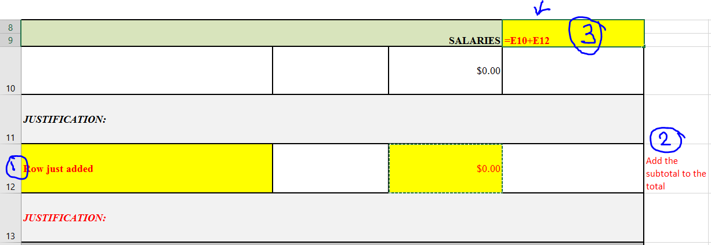

9. Please submit this required Budget Detail by Element and Benchmark Worksheet as an attachment to the SY2020-21 Community Schools Implementation Grant Application. Upload this worksheet via the Community Schools and Extended Learning SharePoint site.
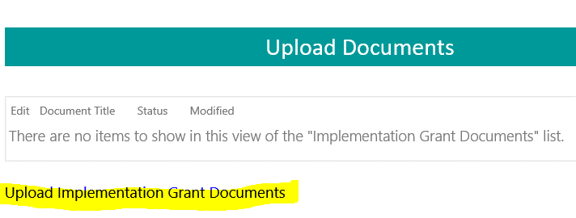

10. Use this Budget Detail by Element and Benchmark Worksheet to complete the SY2020-21 Summary Budget column.

